Eligible costs
Refer to Guidelines for Applicants
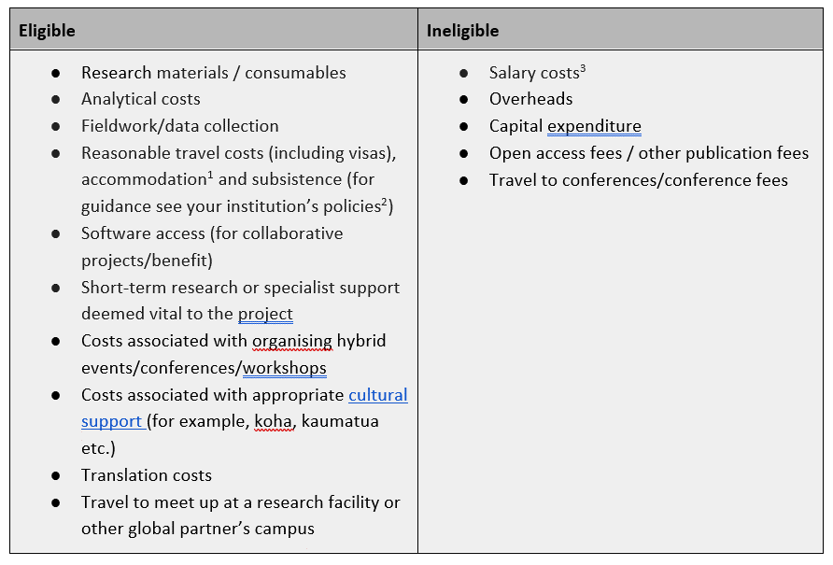

[1] Accomodation costs are to be included in the budget of the home institution. For example, a Waikato staff member travelling to Newcastle needs to include accomodation costs in the Waikato budget.
[2] The seed fund will cover flights in economy class.
[3] The fund is not intended to cover staff costs or time, or to fund fixed term contract extensions
Whereas staff salary costs are not eligible to be funded – costs for very short-term research or specialist support, vital to the success of the project will be considered i.e costs to employ students and / or research assistants in support of the PI / project

The maximum value of each project is $15,000 (AUD). Funding will not be transferred between organisations, so activities delivered at UoN or at UoW will be funded by the relevant host organisation.
The total funding pool available for 2025 is $100,000 (AUD).
Funding requests do not need to be matched equally up to the value of 15,000 but full funding requests from one partner are only likely or be considered in exceptional circumstances.

