CAL Precinct Map
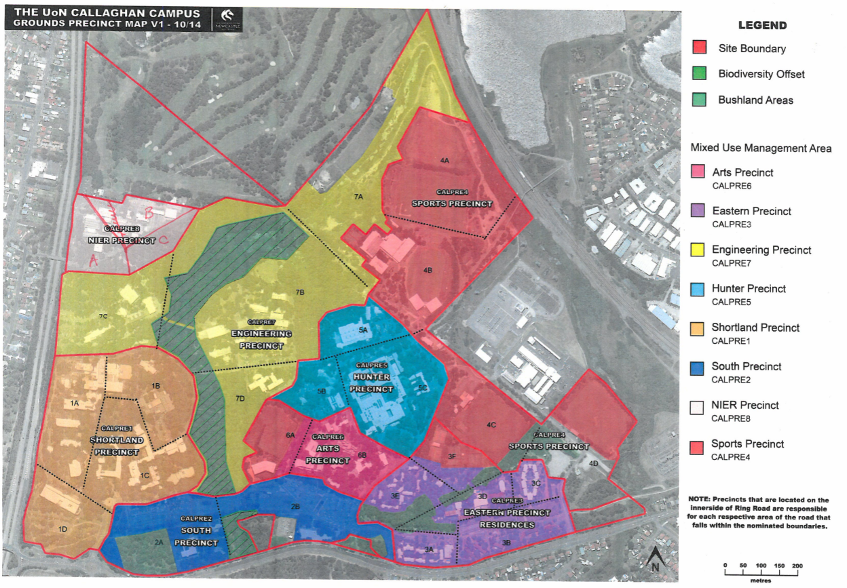

OUR Precinct Map
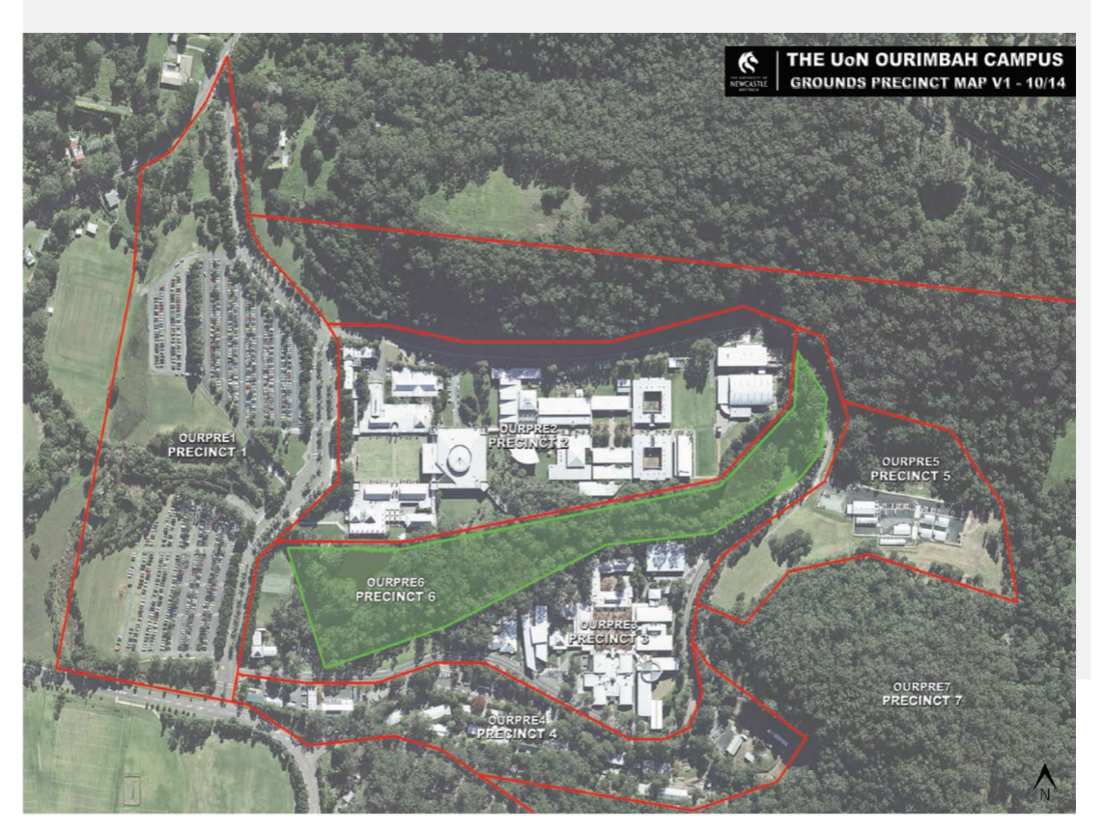

NEW Precinct Map
