List of Classifications
Description | Classification | Parent Classification

Wayfinding - E-DR1 - Vehicle Directional 3m | WAYFINDE-DR1 | GROUNDS
Wayfinding - E-DR2a - Pedestrian Directional 1.6m | WAYFIND_E-DR2A | GROUNDS
Wayfinding - E-DR3 - Street Sign | WAYFIND_E-DR3 | GROUNDS
Wayfinding - E-ID1 - Primary Precinct ID | WAYFIND_E-ID1 | GROUNDS
Wayfinding - E-ID2 - Secondary Precinct ID | WAYFIND_E-ID2 | GROUNDS
Wayfinding - E-ID3 - Primary Building ID | WAYFIND_E-ID3 | GROUNDS
Wayfinding - E-ID4 - Secondary Building ID | WAYFIND_E-ID4 | GROUNDS
Wayfinding - E-IF - Campus Information | WAYFIND_E-IF | GROUNDS
Wayfinding - Miscellaneous | WAYFIND_MISC | GROUNDS
Wayfinding - Surface Mounted | WAYFIND_SURFACE | GROUNDS

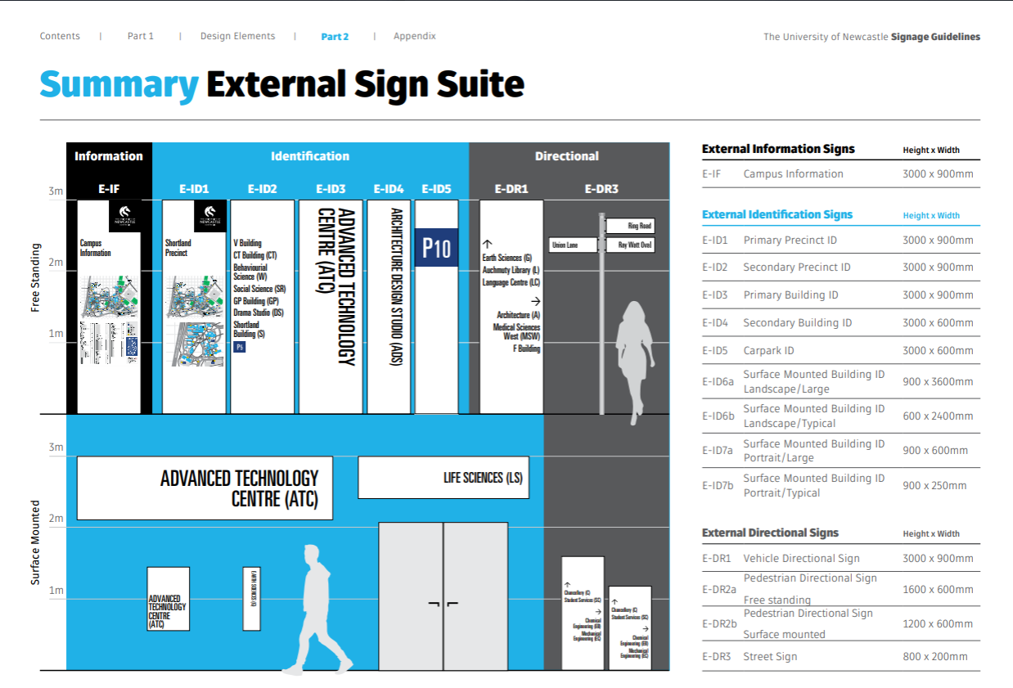

CAL Precinct Map
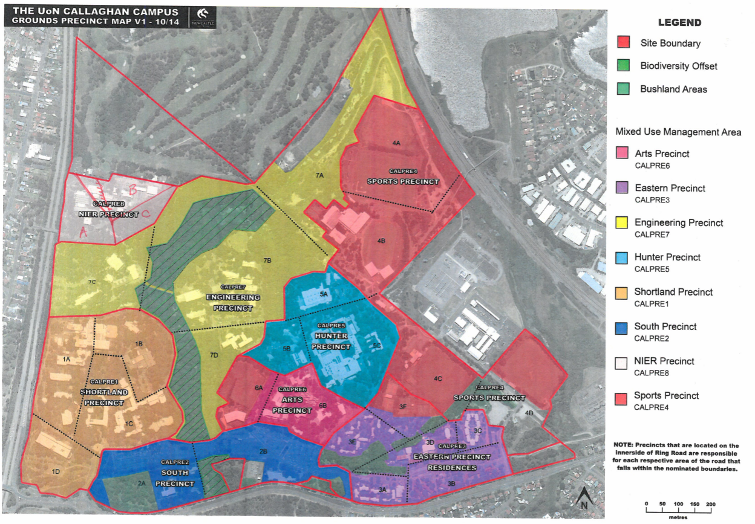

OUR Precinct Map
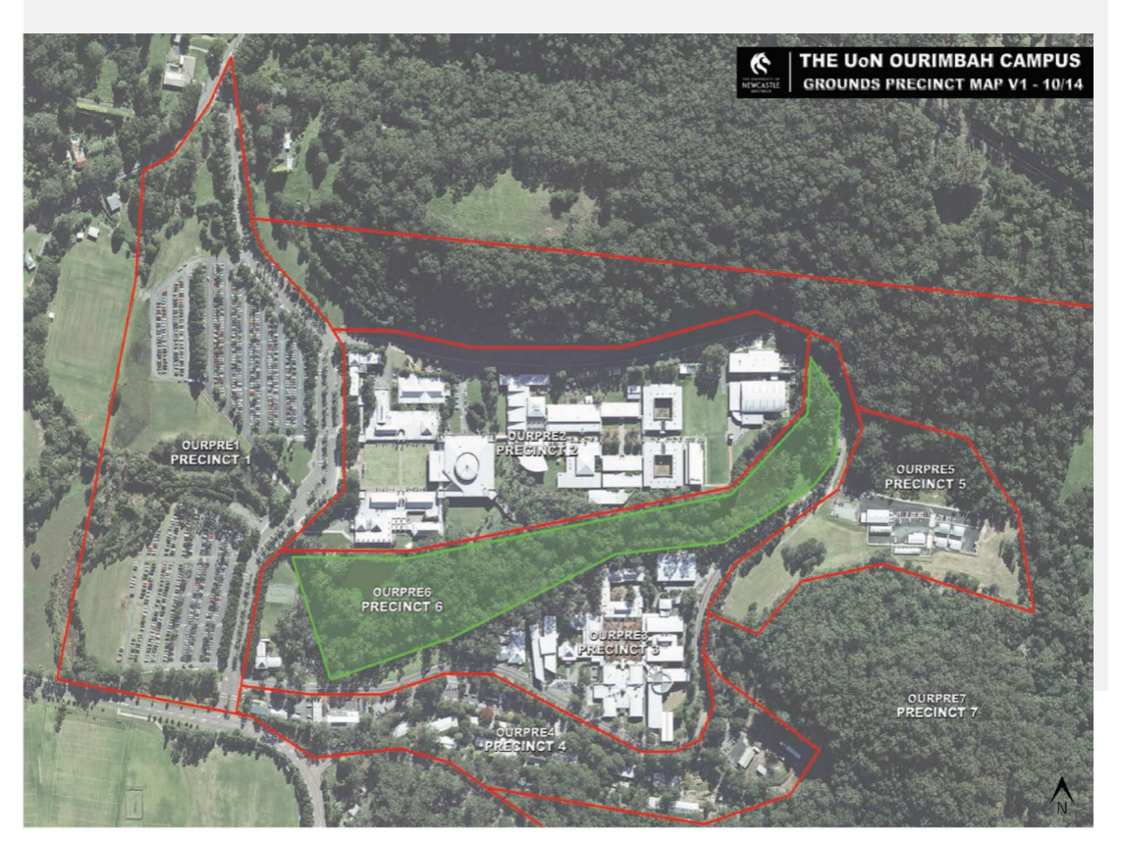

NEWC Precinct Map
